Sheet1
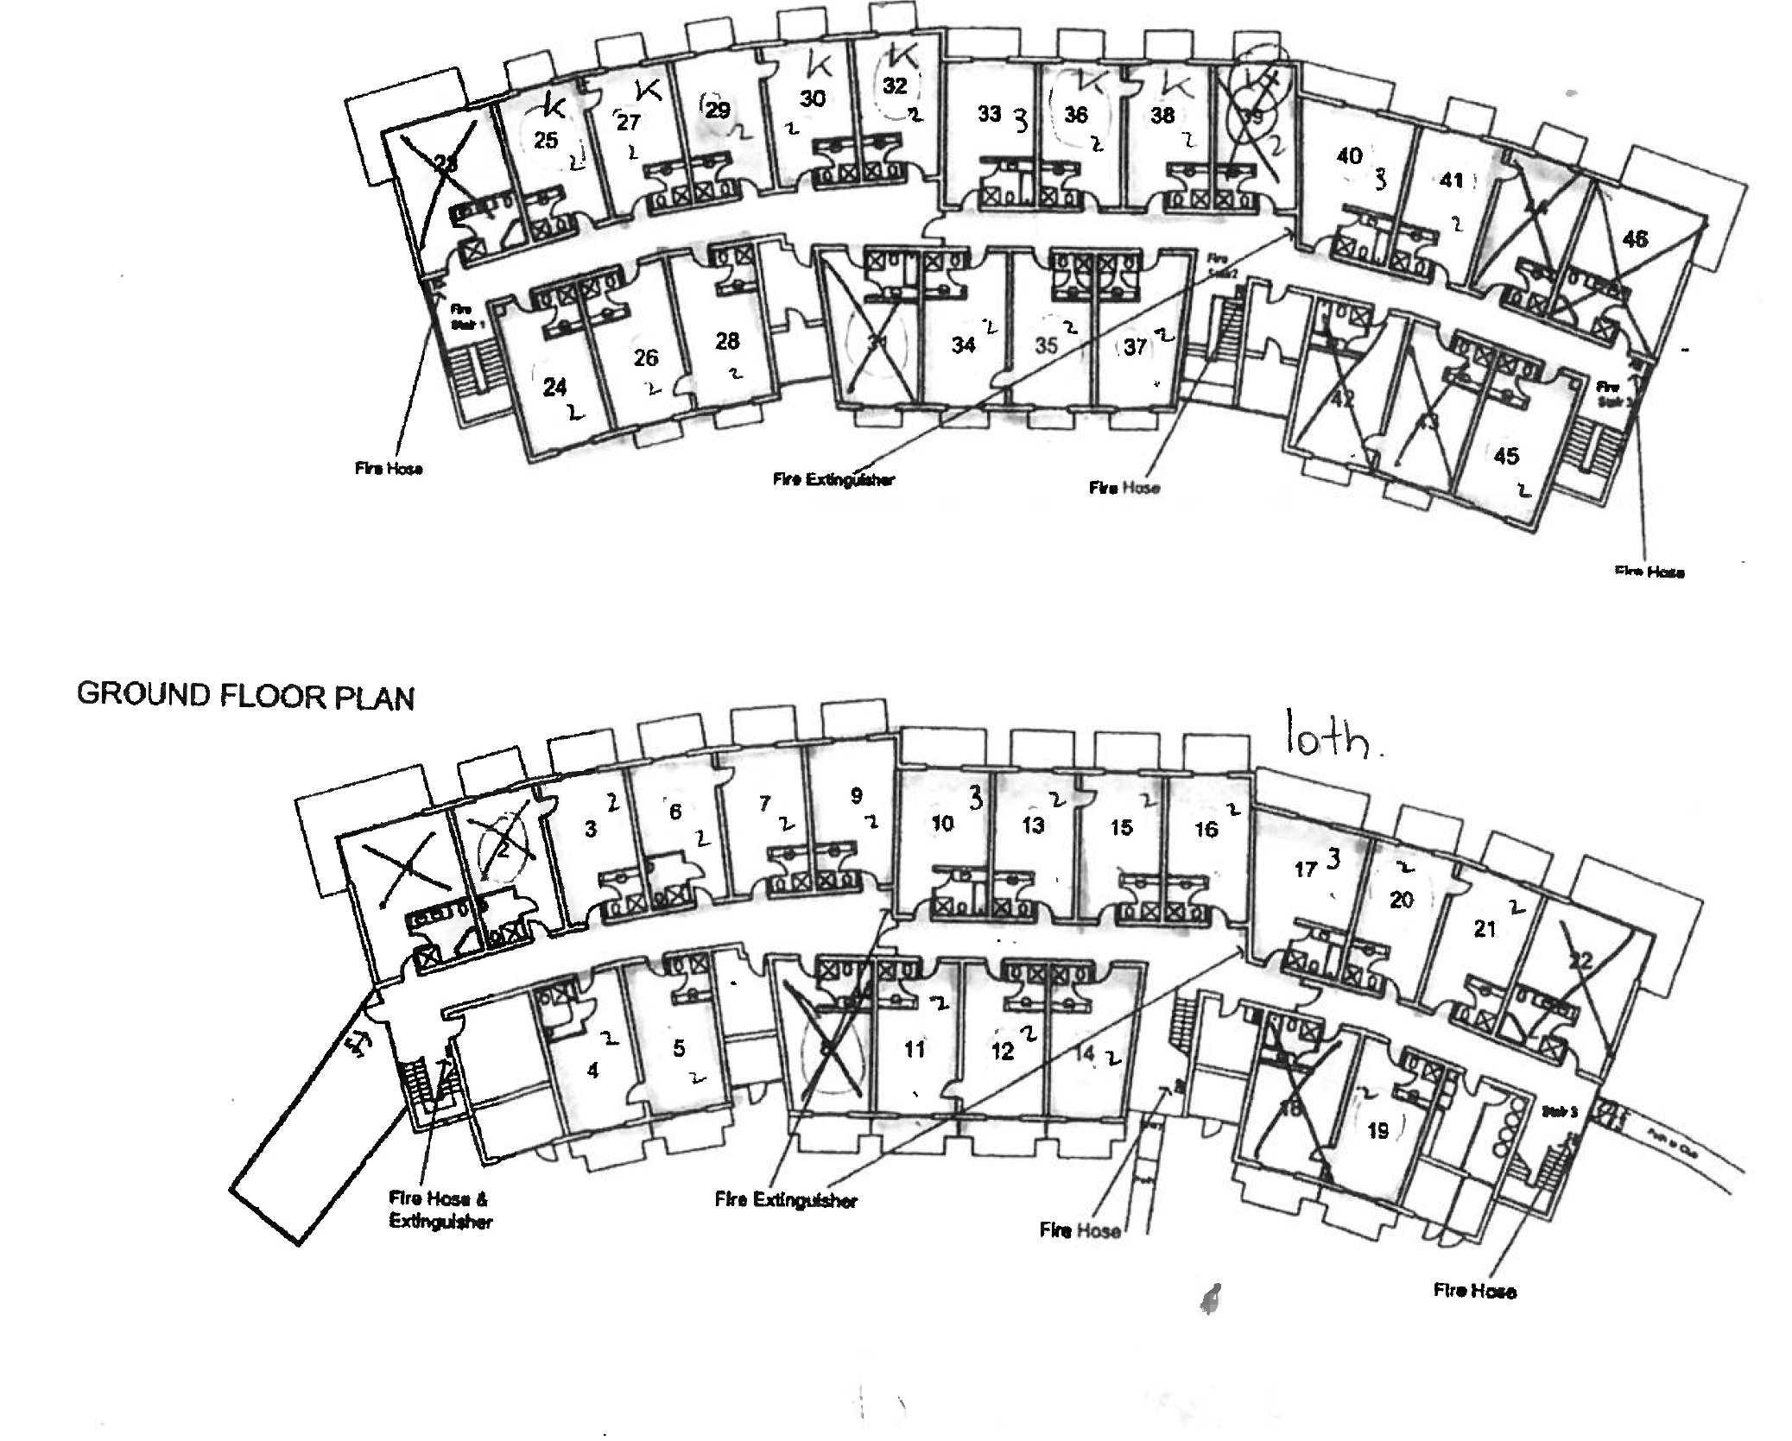
Total Nights | Type | Single/Twin/Triple Share | Number | View | Downstairs/Upstairs | Advertised Weekday Rates/Night | Nights | Advertised Weekend Rates/Night | Nights | Discount per Night | Total Discounted Accom. | Max Occ. | Names | Name | Room Contacts
2 | DLX | Single | 1 | Golf | Downstairs | 260 | 0 | 280 | 2 | 20 | 520 | 1
2 | DABL | Single/Twin | 2 | Golf | Downstairs | 230 | 0 | 250 | 2 | 20 | 460 | 2
2 | Q&S | Single/Twin | 3 | Golf | Downstairs | 230 | 0 | 250 | 2 | 20 | 460 | 2
2 | DABL | Single/Twin | 4 | Pool | Downstairs | 230 | 0 | 250 | 2 | 20 | 460 | 2
2 | PVQS | Single/Twin/Triple | 5 | Pool | Downstairs | 230 | 0 | 250 | 2 | 20 | 460 | 3
2 | DABL | Single/Twin | 6 | Golf | Downstairs | 230 | 0 | 250 | 2 | 20 | 460 | 2
2 | Q&S | Single/Twin | 7 | Golf | Downstairs | 230 | 0 | 250 | 2 | 20 | 460 | 2
2 | 2QSP | Twin | 8 | Pool | Downstairs | 240 | 0 | 260 | 2 | 20 | 480 | 2
2 | Q&S | Single/Twin | 9 | Golf | Downstairs | 230 | 0 | 250 | 2 | 20 | 460 | 2
2 | SPA | Single | 10 | Golf | Downstairs | 240 | 0 | 260 | 2 | 20 | 480 | 1
2 | PVQS | Single/Twin | 11 | Pool | Downstairs | 230 | 0 | 250 | 2 | 20 | 460 | 2
2 | PVQS | Single/Twin | 12 | Pool | Downstairs | 230 | 0 | 250 | 2 | 20 | 460 | 2
2 | Q&S | Single/Twin | 13 | Golf | Downstairs | 230 | 0 | 250 | 2 | 20 | 460 | 2
2 | PVQS | Single/Twin | 14 | Pool | Downstairs | 230 | 0 | 250 | 2 | 20 | 460 | 2
2 | Q&S | Single/Twin | 15 | Golf | Downstairs | 230 | 0 | 250 | 2 | 20 | 460 | 2
2 | Q&S | Single/Twin | 16 | Golf | Downstairs | 230 | 0 | 250 | 2 | 20 | 460 | 2
2 | SPA | Single | 17 | Golf | Downstairs | 240 | 3 | 260 | 2 | 20 | 1140 | 2 | Brendan Oakes | Andrew Murray
2 | 2QSP | Twin | 18 | Pool | Downstairs | 240 | 0 | 260 | 2 | 20 | 480 | 2
2 | PVQS | Single/Twin/Triple | 19 | Pool | Downstairs | 230 | 0 | 250 | 2 | 20 | 460 | 3
2 | Q&S | Single/Twin | 20 | Golf | Downstairs | 230 | 0 | 250 | 2 | 20 | 460 | 2
2 | Q&S | Single/Twin | 21 | Golf | Downstairs | 230 | 0 | 250 | 2 | 20 | 460 | 2
2 | DLX | Single | 22 | Golf | Downstairs | 260 | 0 | 280 | 2 | 20 | 520 | 2 | Ashley Oakes
2 | PVQS | Single/Twin | 24 | Pool | Upstairs | 230 | 0 | 250 | 2 | 20 | 460 | 2
2 | PVQS | Single/Twin | 26 | Pool | Upstairs | 230 | 0 | 250 | 2 | 20 | 460 | 2
2 | PVQS | Single/Twin | 28 | Pool | Upstairs | 230 | 0 | 250 | 2 | 20 | 460 | 2
2 | 2QSP | Twin | 31 | Pool | Upstairs | 240 | 0 | 260 | 2 | 20 | 480 | 2
2 | EXEC | Single | 32 | Golf | Upstairs | 230 | 0 | 250 | 2 | 20 | 460 | 1
2 | 2QSP | Twin | 33 | Golf | Upstairs | 240 | 0 | 260 | 2 | 20 | 480 | 2
2 | PVQS | Single/Twin | 34 | Pool | Upstairs | 230 | 0 | 250 | 2 | 20 | 460 | 2
2 | PVQS | Single/Twin | 35 | Pool | Upstairs | 230 | 0 | 250 | 2 | 20 | 460 | 2
2 | EXEC | Single | 36 | Golf | Upstairs | 230 | 0 | 250 | 2 | 20 | 460 | 1
2 | PVQS | Single/Twin | 37 | Pool | Upstairs | 230 | 0 | 250 | 2 | 20 | 460 | 2
2 | EXEC | Single | 38 | Golf | Upstairs | 230 | 0 | 250 | 2 | 20 | 460 | 1
2 | EXEC | Single | 39 | Golf | Upstairs | 230 | 0 | 250 | 2 | 20 | 460 | 1
2 | SPA | Single | 40 | Golf | Upstairs | 240 | 0 | 260 | 2 | 20 | 480 | 1
2 | EXEC | Single | 41 | Golf | Upstairs | 230 | 0 | 250 | 2 | 20 | 460 | 1
2 | 2QSP | Twin | 42 | Pool | Upstairs | 240 | 0 | 260 | 2 | 20 | 480 | 2
2 | PVQS | Single/Twin/Triple | 43 | Pool | Upstairs | 230 | 0 | 250 | 2 | 20 | -20 | 3
2 | EXEC | Single | 44 | Golf | Upstairs | 230 | 0 | 250 | 2 | 20 | 460 | 1
2 | PVQS | Single/Twin | 45 | Pool | Upstairs | 230 | 0 | 250 | 2 | 20 | 460 | 2
2 | DLX | Single | 46 | Golf | Upstairs | 260 | 0 | 280 | 2 | 20 | 520 | 1
 |  |  |  |  |  | 9600 |  | 10420 |  |  | 19380 | 75

